DASHBOARD
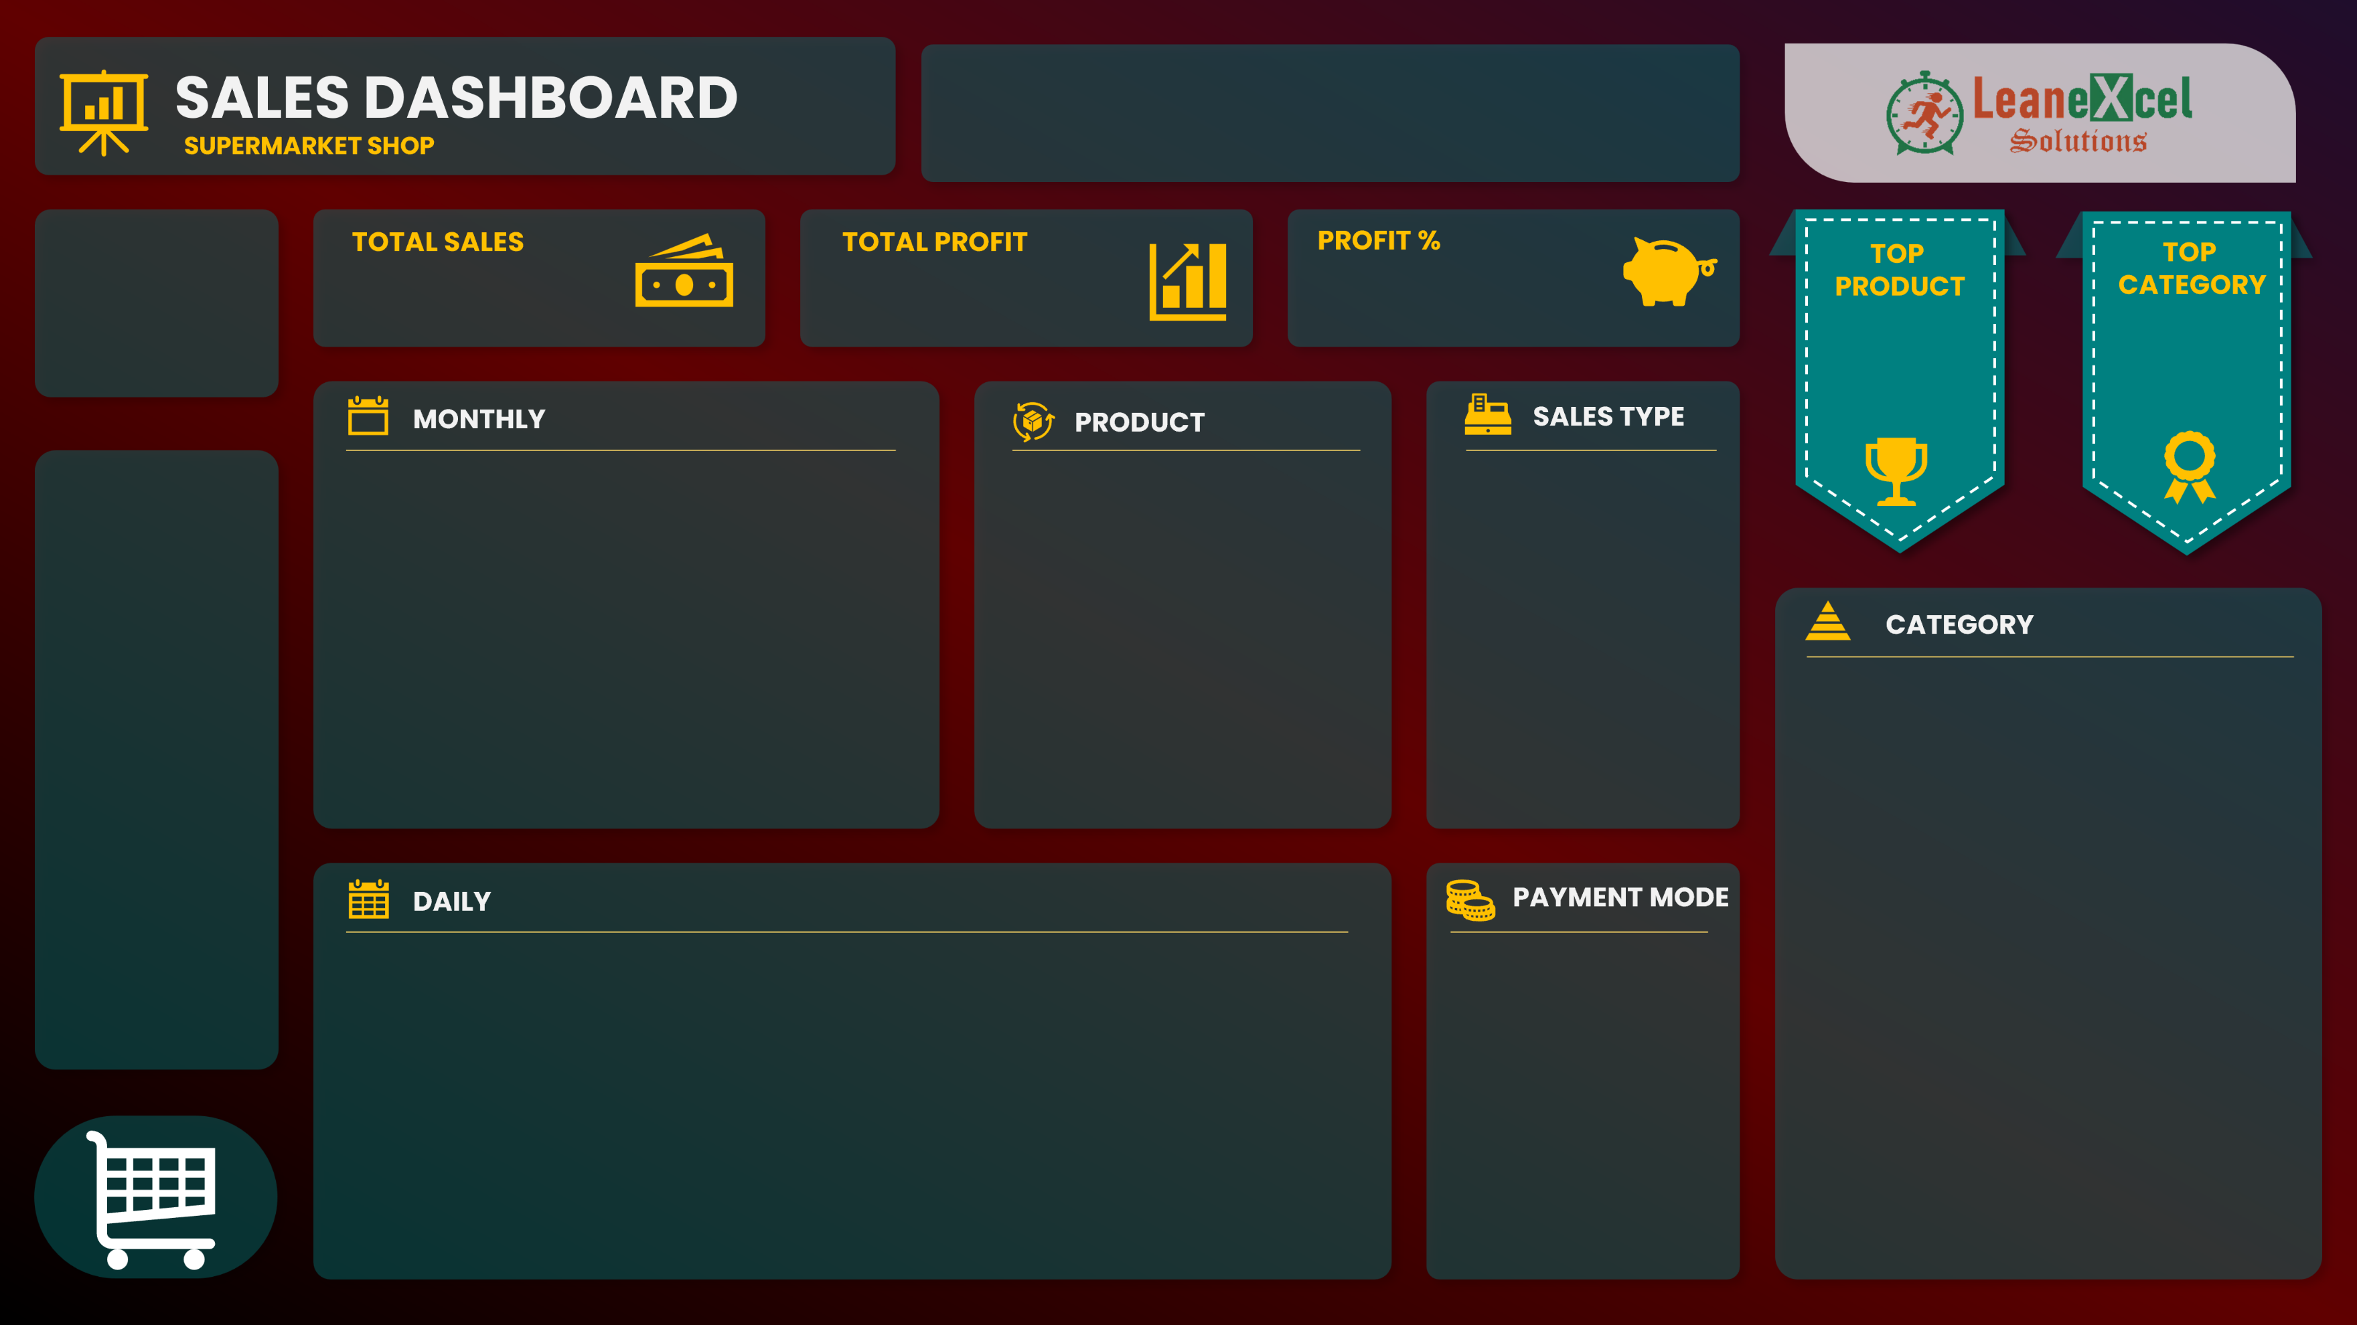

$401,412
$68,908
21%

 | Sum of TOTAL SELLING VALUE | Sum of PROFIT
Jan | 41346.96 | 7056.96
Feb | 30857.3 | 5516.3
Mar | 28616.65 | 5179.65
Apr | 26579.11 | 5297.11
May | 30910.45 | 4384.45
Jun | 30533.71 | 5654.71
Jul | 35251.79 | 5373.79
Aug | 35350.4 | 5519.4
Sep | 35242.81 | 6484.81
Oct | 33500.69 | 5658.69
Nov | 36124.07 | 6818.07
Dec | 37097.98 | 5963.98
Product10 | 16428
Product19 | 20160
Product30 | 22945.92
Product41 | 22952.16
Product42 | 20574
 | Total
Cash | 264
Online | 263

GROWTH

 | Total Buying | Total Selling | Total Profit
Jan | 34290 | 41346.96 | 7056.96
Feb | 25341 | 30857.3 | 5516.3
Mar | 23437 | 28616.65 | 5179.65
Apr | 21282 | 26579.11 | 5297.11
May | 26526 | 30910.45 | 4384.45
Jun | 24879 | 30533.71 | 5654.71
Jul | 29878 | 35251.79 | 5373.79
Aug | 29831 | 35350.4 | 5519.4
Sep | 28758 | 35242.81 | 6484.81
Oct | 27842 | 33500.69 | 5658.69
Nov | 29306 | 36124.07 | 6818.07
Dec | 31134 | 37097.98 | 5963.98
 | Total
Direct Sales | 283
Online | 167
Wholesaler | 77

